Sheet1
Levi's Denim Jeans

Model: 501

Restrictions: Export. No Sales in Canada

Quantity: 5,000 pair

Take All Price Only: $27.50 per pair Ex Warehouse Montreal Canada.

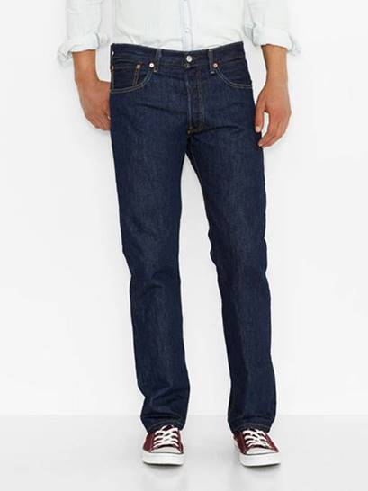
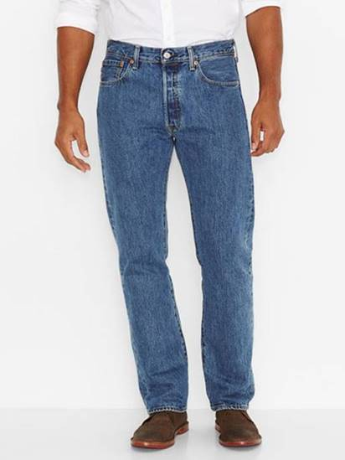
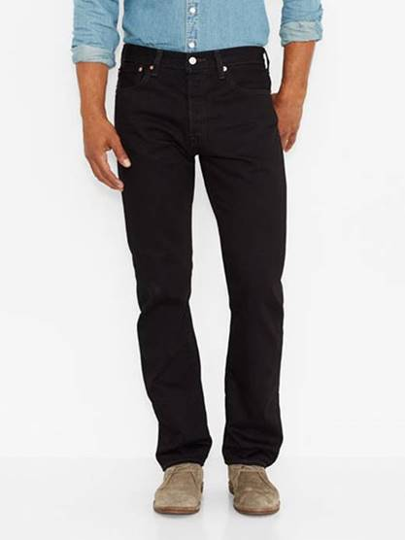
Color | Model | Waist-Leg | # Pair
Dark Indigo Blue | 005010115 | 31-32 | 150
 |  | 32-32 | 250
 |  | 33-32 | 250
 |  | 34-32 | 250
 |  | 36-32 | 100

Stone Washed | 005010193 | 31-32 | 450
 |  | 32-32 | 750
 |  | 33-32 | 750
 |  | 34-32 | 750
 |  | 36-32 | 300

Black | 005010660 | 31-32 | 150
 |  | 32-32 | 250
 |  | 33-32 | 250
 |  | 34-32 | 250
 |  | 36-32 | 100
 |  |  | 5,000

 |  |  |  | Dark Indigo Blue | Stone Washed | Black

